Cover
REPUBLIC OF KENYA – MINISTRY OF HEALTH
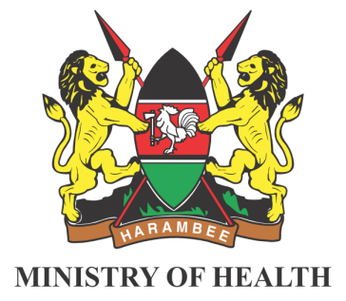

COMMUNITY TREATMENT AND
TRACKING REGISTER
 |  | Register code...

 | NAME OF CHU: |  | COUNTY:
 | MCHUL CODE: |  | SUB COUNTY:
 | LINK FACILITY: |  | WARD:
 | NAME OF CHV: |  | LOCATION:
 | CHV CONTACT: |  | SUB LOCATION:
 | NUMBER OF HHs: |  | VILLAGE:
 | START DATE: |  | END DATE:

